parameter
estimating economic efficiency of photovoltaic plants
status 11/04/2022

notes:
The framed fields can be changed as desired; the contents are only guide values.
The other fields are locked against accidental overwriting.
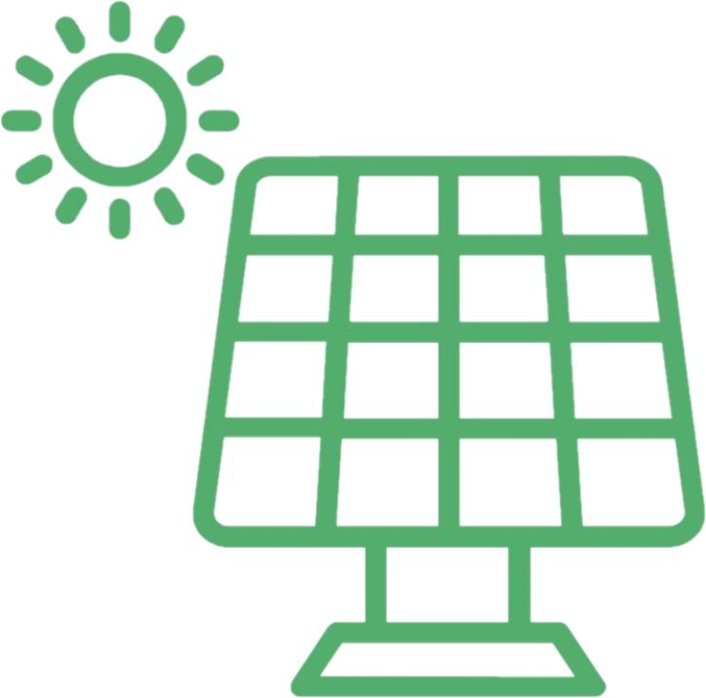
The sheet protection can be removed if necessary.

results:
internal rate of return (IRR) | 6.4% | p.a.
payback period | 15 | years
electricity generation costs (LCOE) | 0.118 | €/kWh
net present value (profit or loss) | 4,522 | €
initial equity (incl. VAT) | 9,660 | €

PV plant
Plant capacity (data representative < 100 kWp) | 10.0 | kWp
installation cost of the PV system (without batteries, net, without VAT) | 14,000 | € corresponds | 1,400 | €/kWp
subsidy for PV system | 0 | €
power storage / battery (yes=1, no=0) | 0
cost of power storage / battery system (net, without VAT) | 5,000 | €
subsidy for power storage / battery |  | €
preliminary costs, interim financing | 280 | €
running cost for PV system | 210 | € p.a.
other running cost e.g. roof rental costs | 0 | € p.a.
specific electricity yield | 950 | kWh/kWpa see: |  | PVGIS
yield decrease per year | 0.40%
direct use in % of PV electricity yield | 20%
PV power feed into the power storage / battery | 40%
power stroage / battery charge-discharge losses | 10%
annual decrease in direct use via power storage / battery | 2.0% | p.a.
year of start up PV system | 2022
month of start up PV system (1-12) | 5 | corresponds | 69% | proportionale solar yield in the year of start-up

total installation cost PV system (incl. Batteries etc.) | 14,000 | €
feed-in tarif for PV electricity | 0.0649 | €/kWh

financing
1st credit / loan | 7,000 | € | 50% | self-financing share
payment | 100%
provision per month | 0.15%
interest rate (nominal) | 2.84% | p.a.
period / runtime | 10 | years
period of fixed interest rate (5 / 10 / 20 years) | 10 | years
Redemption/ repayment free period | 2 | years
Interest rate after period / runtime of fixed interest rate | 5.00% | p.a.
2nd credit / loan (constant annuities) | 0 | €
interest rate (nominal) | 3.0% | p.a.
period / runtime | 15 | Jahre

miscellaneous
income tax exemption (yes/no) | no
direct selling via power purchase agreements (yes/no) | no
inflation rate | 1.5% | p.a.
interest rate for present value calculation (discount rate) | 2.0% | p.a.
Interest rate on reinvestment | 0.0% | p.a.
Annual electricity consumption | 3,000 | kWh/a
Annual basic charge for electricity (net, without VAT) | 90 | €/a
Electricity price in the first year (net, without VAT) | 0.2400 | €/kWh | corresponds | 0.2856 | €/kWh gross
estimated Electricity price increase | 1.5% | p.a.
feed-in tarif for PV electricity | 0.0372 | €/kWh | 0% | 0.0000 | €/kWh on self-consumption
individual tax rate (in the first 10 years) | 30%
Tax rate (after 10 years) | 30%
Investment deduction in % | 0%
20% special depreciation? | no

Preset list for entries |  |  |  | Year of start up PV system | feed-in tarif for PV electricity | month
 | 0 | yes | 0% | 2013 | 0.05277 | 1
 | 1 | no | 19% | 2014 | 0.06240 | 2
 | 2 |  |  | 2015 | 0.06170 | 3
 |  |  |  | 2016 | 0.06354 | 4
 |  |  |  | 2017 | 0.06880 | 5
 |  |  |  | 2018 | 0.06792 | 6
 |  |  |  | 2019 | 0.06405 | 7
 |  |  |  | 2020 | 0.06756 | 8
 |  |  |  | 2021 | 0.06500 | 9
 |  |  |  | 2022 | 0.03723 | 10
 |  |  |  | 2023 | 0.05804 | 11
 |  |  |  | 2024 | 0.05748 | 12
 |  |  |  | 2025 | 0.05693
 |  |  |  | 2026 | 0.05637
 |  |  |  | 2027 | 0.05582
 |  |  |  | 2028 | 0.05526
 |  |  |  | 2029 | 0.05471
 |  |  |  | 2030 | 0.05415

annual result
-1 | 0
0 | -6,594
1 | 885
2 | 305
3 | 28
4 | 49
5 | 70
6 | 91
7 | 185
8 | 207
9 | 229
10 | 836
11 | 1,136
12 | 1,141
13 | 1,145
14 | 1,150
15 | 1,155
16 | 1,159
17 | 1,164
18 | 1,169
19 | 1,174
20 | 1,179

net present value
-1 | 0
0 | -6,594
1 | -5,726
2 | -5,433
3 | -5,406
4 | -5,360
5 | -5,297
6 | -5,216
7 | -5,055
8 | -4,878
9 | -4,687
10 | -4,001
11 | -3,087
12 | -2,188
13 | -1,302
14 | -431
15 | 427
16 | 1,272
17 | 2,103
18 | 2,922
19 | 3,728
20 | 4,522

